information
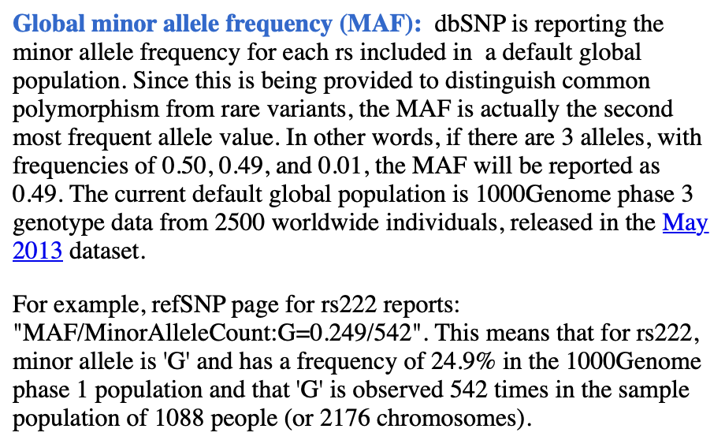
Information to know: | https://www.ncbi.nlm.nih.gov/projects/SNP/docs/rs_attributes.html

Search term in NCBI:
16[Chromosome] AND 30760451[Base Position Previous]
https://www.ncbi.nlm.nih.gov/snp/?term=16%5BChromosome%5D%20AND%2030760451%5BBase%20Position%20Previous%5D&cmd=DetailsSearch

cp KG-24.390449.bam /data/allenlab/scarlett/data/BAM/GSD/given_aligned_BAM/. cp CG-46.383579.bam /data/allenlab/scarlett/data/BAM/GSD/given_aligned_BAM/. cp NW-10.383581.bam /data/allenlab/scarlett/data/BAM/GSD/given_aligned_BAM/. cp MA-1.390450.bam /data/allenlab/scarlett/data/BAM/GSD/given_aligned_BAM/. cd /data/allenlab/scarlett/data/BAM/GSD/given_aligned_BAM/ samtools index KG-24.390449.bam samtools index CG-46.383579.bam samtools index NW-10.383581.bam samtools index MA-1.390450.bam samtools view -h KG-24.390449.bam "11:118894824-118901616" > 122687_SLC37A4.bam samtools view CG-46.383579.bam "11:118894824-118901616" > 122698_SLC37A4.bam samtools view NW-10.383581.bam "1:155204243-155214490" > 123667_GBA.bam samtools view MA-1.390450.bam "1:100315640-100389579" > 123375_AGL.bam

MA-1(123375)
123375 AGL ENSG00000162688 (RNAvcf: 1 hets on exon & 1 homo coding variants on exon; DNAvcf: 4 hets on exon &1 homo coding variants on exon)
Chr | Pos also in RNA VCF | Pos in DNA VCF | Rs ID (NCBI) | GENOTYPE | location | TYPE | gnomad total AF for ALT (v2.1.1 in 2019/3) | NCBI MAF | clinical signifiance (NCBI) | REF | ALT
1 |  | 100316589 | rs2307130 | 0/1 | exon | 5_prime_UTR_variant,splice_acceptor_variant,genic_upstream_transcript_variant |  | G=0.416257/13043 (GnomAD) | benign | A | G
1 |  | 100316765 | rs663848 | "1/1" | intron | genic_upstream_transcript_variant,intron_variant |  | C=0.244278/7663 (GnomAD) | benign | C | T
1 |  | 100317394 | rs3766591 | 0/1 |  | genic_upstream_transcript_variant,intron_variant |  | G=0.232715/7297 (GnomAD) |  | A | G
1 |  | 100317471 | rs3835491 | 0/1 |  |  |  |  |  | T | TA
1 |  | 100317636 | rs7513618 | 0/1 |  |  |  |  |  | A | T
1 |  | 100317907 | rs11363065 | "1/2" |  | intron_variant,genic_upstream_transcript_variant |  | (T)21=0.3021 (1513/5008, 1000G) | / | CTT | CT,C
1 |  | 100318092 | rs11459891 | 0/1 |  |  |  |  |  | A | AT
1 |  | 100319101 | rs4908033 | 0/0 |  |  |  |  |  | C | T
1 |  | 100319151 | rs149542747 | 0/0 |  |  |  |  |  | C | T
1 |  | 100319363 | rs987234942 | 0/0 |  | intron_variant,genic_upstream_transcript_variant |  | C=0.000032/1 (GnomAD) |  | T | CT,C
1 |  | 100320084 | rs6701460 | 0/1 |  |  |  |  |  | C | T
1 |  | 100320435 | rs72725944 | 0/0 |  |  |  |  |  | G | A
1 |  | 100320845 | . | 0/1 |  |  |  |  |  | ACT | A
1 |  | 100321854 | rs923149180 | 0/1 |  | intron_variant,genic_upstream_transcript_variant | 0.2841 |  |  | TCCTTCCTTCCTCCCTCCCTC | T
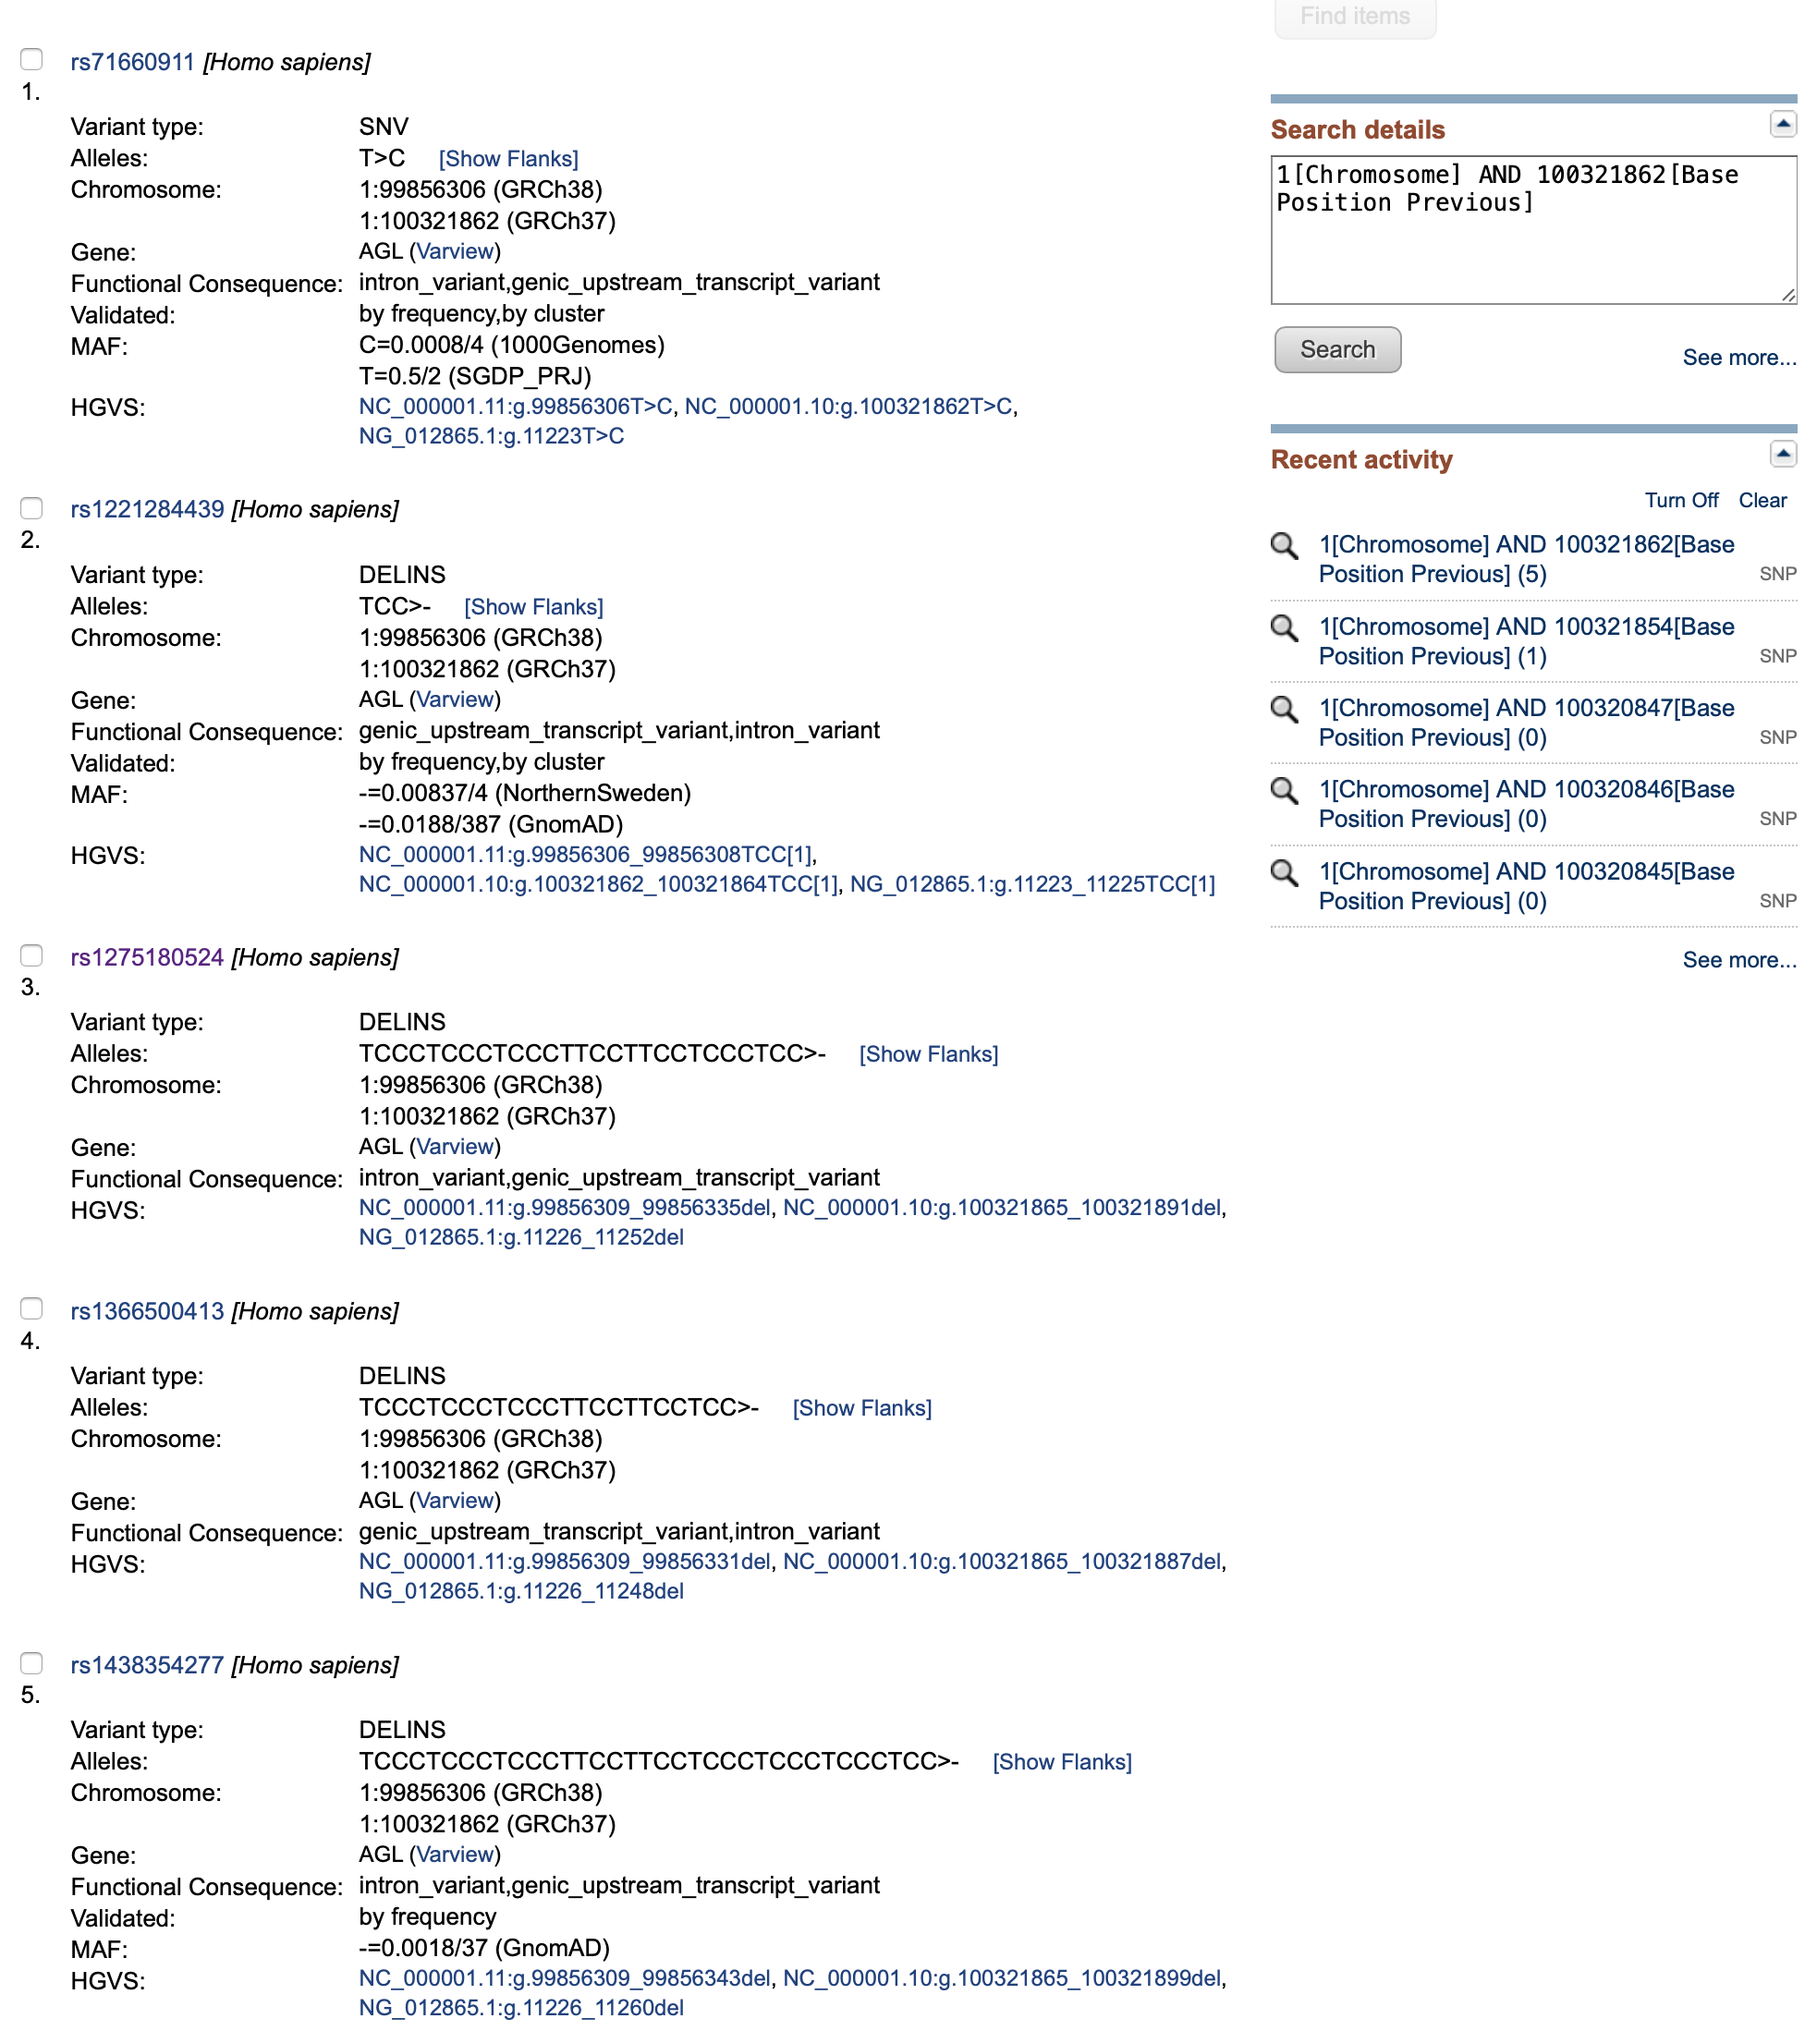
1 |  | 100321862 | rs1275180524 | 0/2 |  | intron_variant,genic_upstream_transcript_variant |  | -=0.0018/37 (GnomAD |  | TCCTCCCTCCCTCCCTTCCTTCCTCCCTCCCTC | T,*
1 |  | 100321874 | rs1220653172) | 0/1 |  |  | 0.164 |  | / | CCCTT | C,*
1 |  | 100321882 | rs6674610 | 0/1 |  | genic_upstream_transcript_variant,intron_variant |  | T=0.323/160 (SGDP_PRJ); T=0.343/74 (Qatari);T=0.5/9 (Siberian) | / | T | A,*
1 |  | 100321890 | rs6659531 | 0/1 |  | genic_upstream_transcript_variant,intron_variant | 0.1519 |  |  | CCCTCCCTCCCTCCCTCCCTCCCTCCCTCCCTT | C,*
1 |  | 100322008 | rs6674718 | 0/1 |  | genic_upstream_transcript_variant,intron_variant |  | G=0.269226/8332 (GnomAD) | / | T | G
1 |  | 100322347 | rs148557268 | 0/0 |  | intron_variant,genic_upstream_transcript_variant |  | G=0.020894/656 (GnomAD) | / | C | G
1 |  | 100322583 | rs684047 | 0/1 |  | genic_upstream_transcript_variant,intron_variant |  | T=0.43884/13347 (GnomAD) | / | C | T
1 |  | 100322617 | rs481932 | 0/1 |  | genic_upstream_transcript_variant,intron_variant |  | A=0.43694/13178 (GnomAD) | / | G | A
1 |  | 100322635 | rs4307591 | 0/1 |  | genic_upstream_transcript_variant,intron_variant |  | G=0.25991/7906 (GnomAD) | / | C | G
1 |  | 100322733 | rs146794126 | 0/0 |  | intron_variant,genic_upstream_transcript_variant |  | C=0.01911/570 (GnomAD) | / | T | C
1 |  | 100322776 | rs683124 | 0/1 |  | genic_upstream_transcript_variant,intron_variant |  | T=0.45072/13893 (GnomAD) | / | C | T
1 |  | 100322893 | rs185790465 | 0/0 |  | intron_variant,genic_upstream_transcript_variant |  | T=0.01846/571 (GnomAD) | / | C | T
1 |  | 100322925 | rs72482846 | 0/1 |  | intron_variant,genic_upstream_transcript_variant |  | A=0.37854/11746 (GnomAD) | / | G | A
1 |  | 100322968 | rs77929600 | 0/1 |  | intron_variant,genic_upstream_transcript_variant |  | T=0.38049/11869 (GnomAD) | / | C | T
1 |  | 100323190 | rs12756297 | 0/1 |  | intron_variant,genic_upstream_transcript_varian |  | G=0.380442/11640 (GnomAD) | / | A | G
1 |  | 100323321 | rs189100729 | 0/0 |  | intron_variant,genic_upstream_transcript_varian |  | G=0.027518/506 (GnomAD) | / | C | G
1 |  | 100323343 actually 100323344 | rs1478139323 | "1/2" |  | intron_variant,genic_upstream_transcript_variant; insertion | 0.0365/261 (GnomAD) |  | / | C | CAGAGGGAGACCGTGGGGAGGAGGAGGGGGG,CAGAGGGAGACCGTGGGGAGGGGGAGGGGGG
1 |  | 100323540 | rs61213936 | 0/1 |  | intron_variant,genic_upstream_transcript_variant |  | G=0.13712/4302 (GnomAD) | / | A | G
1 |  | 100324791 | rs72725945 | 0/0 |  | intron_variant,genic_upstream_transcript_variant |  | C=0.020956/657 (GnomAD) | / | A | C
1 |  | 100324967 actually 100324968 | rs2307533 | "1/1" |  | genic_upstream_transcript_variant,intron_variant |  | -=0.238/1192 (1000Genomes) | / | C | CCT
1 |  | 100325113 actually 100325114 | rs11354427 | "1/1" |  | intron_variant,genic_upstream_transcript_variant |  | T=0.00179/55 (GnomAD) | / | TT | T
1 |  | 100325549 | rs56731073 | 0/1 |  | intron_variant,genic_upstream_transcript_variant |  | C=0.128382/4024 (GnomAD) | / | A | C
1 |  | 100325737 | rs2035958 | 0/1 |  | genic_upstream_transcript_variant,intron_variant |  | A=0.233267/7256 (GnomAD) | / | T | A
1 |  | 100326021 | rs492032 | "1/1" |  | tYPE |  | T=0.258777/8093 (GnomAD) | / | T | C
1 | DNA/RNA | 100326258 | rs494626 | "1/1" |  | genic_upstream_transcript_variant,intron_variant |  | T=0.264732/8302 (GnomAD) | / | T | C
1 |  | 100326301 | rs494740 | "1/1" |  | genic_upstream_transcript_variant,intron_variant |  | C=0.264327/8293 (GnomAD) | / | C | T
1 |  | 100327026 | rs2307129 | 0/1 |  | genic_upstream_transcript_variant,intron_variant |  | T=0.233091/7306 (GnomAD) | benign | C | T
1 |  | 100327481 | rs3766592 | 0/1 |  | genic_upstream_transcript_variant,intron_variant |  | A=0.329268/10314 (GnomAD) | benign | C | A
1 |  | 100328272 | rs687979 | "1/1" |  | genic_upstream_transcript_variant,intron_variant |  | G=0.24409/7641 (GnomAD) | benign | G | A
1 |  | 100328497 actually 100328498 | rs11291815 | 0/1 |  | intron_variant,genic_upstream_transcript_variant |  |  | / | AA | A
1 |  | 100328506 | rs71898834 | 0/0 |  | intron_variant,genic_upstream_transcript_varianT |  |  | / | AT | A
1 |  | 100328542 | rs578793 | "1/1" |  | genic_upstream_transcript_variant,intron_variant |  | G=0.263532/8199 (GnomAD) | / | G | A
1 |  | 100328644 | rs579660 | "1/1" |  | genic_upstream_transcript_variant,intron_variant |  | T=0.244585/7634 (GnomAD) | / | T | C
1 |  | 100328895 | rs17448792 | 0/1 |  | intron_variant,genic_upstream_transcript_variant |  | G=0.294621/9234 (GnomAD) | / | A | G
1 |  | 100329304 | rs11372707 | 0/1 |  | intron_variant,genic_upstream_transcript_variant |  | T=0.2602/1303 (1000Genomes) | / | C | CT
1 |  | 100329435 | rs531015 | "1/1" |  | genic_upstream_transcript_variant,intron_variant |  | T=0.244211/7615 (GnomAD) | / | T | C
1 |  | 100329491 | rs672069 | "1/1" |  | genic_upstream_transcript_variant,intron_variant |  | C=0.264156/8257 (GnomAD) | / | C | T
1 |  | 100329889 | rs535461 | "1/1" |  | genic_upstream_transcript_variant,intron_variant |  | G=0.277011/8676 (GnomAD) | benign | G | C
1 |  | 100330237 | rs538389 | "1/1" |  | genic_upstream_transcript_variant,intron_variant |  | A=0.244662/7677 (GnomAD) | benign | A | G
1 |  | 100330295 | rs539157 | "1/1" |  | genic_upstream_transcript_variant,intron_variant |  | T=0.243975/7653 (GnomAD) | benign | T | C
1 |  | 100330632 | rs56186868 | 0/1 |  | genic_upstream_transcript_variant,intron_variant |  | A=0.233204/7310 (GnomAD) | / | T | A
1 |  | 100330666 | rs656572 | "1/1" |  | genic_upstream_transcript_variant,intron_variant |  | C=0.264766/8302 (GnomAD) | / | C | A
1 |  | 100330722 | rs72725956 | 0/1 |  | intron_variant,genic_upstream_transcript_variant |  | T=0.323181/9921 (GnomAD) | / | A | T
1 |  | 100331265 | rs2640911 | 0/1 |  | genic_upstream_transcript_variant,intron_variant |  | G=0.40829/12795 (GnomAD) | / | A | G
1 |  | 100331481 | rs574592 | "1/1" |  | genic_upstream_transcript_variant,intron_varianT |  | G=0.244578/7669 (GnomAD) | / | G | A
1 |  | 100332145 | rs7528537 | 0/1 |  | genic_upstream_transcript_variant,intron_variant |  | A=0.379757/11875 (GnomAD) | / | T | A
1 |  | 100332233 | rs59366788 | 0/1 |  | intron_variant,genic_upstream_transcript_variant |  | G=0.26882/8413 (GnomAD) | / | A | G
1 |  | 100332261 | rs628842 | "1/1" |  | genic_upstream_transcript_variant,intron_variant |  | G=0.186219/5835 (GnomAD) | / | G | A
1 |  | 100332356 | rs145029209 | "1/3" |  | ntron_variant,genic_upstream_transcript_variant |  |  | / | T | TTTTCTTTATTTA,TTTTCTTTCTTTA,TTTTCTTTCTTTC
1 |  | 100332382 | rs10631915 | "1/1" |  | ntron_variant,genic_upstream_transcript_variant | 0.7359 |  | / | A | AT
1 |  | 100332985 | rs12756830 | 0/1 |  | ntron_variant,genic_upstream_transcript_variant |  | A=0.379788/11879 (GnomAD) | / | G | A
1 |  | 100334381 | rs34892303 | 0/1 |  | ntron_variant,genic_upstream_transcript_variant |  |  | / | C | CT
1 |  | 100334407 | rs188228164 | 0/0 |  | ntron_variant,genic_upstream_transcript_variant |  | T=0.019057/557 (GnomAD) | / | G | T
1 |  | 100334693 | rs481102 | "1/1" |  |  |  |  |  | T | C
1 |  | 100334848 | rs569488 | "1/1" |  |  |  |  |  | C | T
1 |  | 100335056 | rs567596 | "1/1" |  |  |  |  |  | A | G
1 |  | 100335455 | rs653389 | "1/1" |  |  |  |  |  | A | T
1 |  | 100335626 | rs116045366 | 0/0 |  |  |  |  |  | G | A
1 |  | 100335788 | rs67875069 | 0/1 |  | intron_variant,genic_upstream_transcript_variant |  |  | benign | A | G
1 |  | 100335883 | rs903126 | 0/1 |  | genic_upstream_transcript_variant,intron_variant | 0.721 |  |  | A | G
1 | DNA/RNA | 100336361 | rs2230306 | "1/1" | exon | synonymous_variant,coding_sequence_variant,genic_upstream_transcript_variant |  | C=0.244114/7652 (GnomAD) | benign | C | T
1 |  | 100336920 | rs17121414 | 0/0 | intron |  |  |  |  | G | A
1 |  | 100336966 | rs5776495 | "1/1" |  |  |  |  |  | GCCC | G
1 |  | 100338055 | rs6577141 | "1/1" |  |  |  |  |  | A | G
1 |  | 100338090 | rs11299217 | "1/1" |  |  |  |  |  | CT | C
1 |  | 100338335 | rs6676595 | "1/1" |  |  |  |  |  | A | G
1 |  | 100338506 | rs2814038 | "1/1" |  |  |  |  |  | T | G
1 |  | 100338873 | rs618539 | "1/1" |  |  |  |  |  | T | G
1 |  | 100339006 | rs202235877 | 0/0 |  |  |  |  |  | T | C
1 |  | 100339061 | rs619445 | "1/1" |  |  |  |  |  | A | G
1 |  | 100339286 | rs72725961 |  |  |  |  |  |  | G | A
1 |  | 100339510 | rs631797 | "1/1" |  |  |  |  |  | G | A
1 |  | 100339642 | rs11800612 | 0/1 |  | intron_variant,genic_upstream_transcript_variant |  | G=0.380273/11809 (GnomAD) |  | A | G
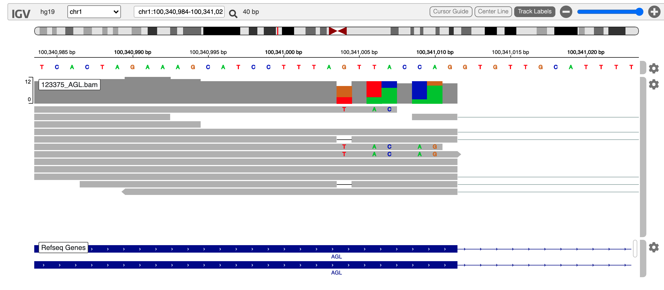
1 |  | 100339659 | rs512237 | "1/1" |  |  |  |  |  | G | T
1 |  | 100339709 | rs632699 | "1/1" |  |  |  |  |  | C | T
1 |  | 100339806 | rs633127 | "1/1" |  |  |  |  |  | A | C
1 |  | 100339813 | rs34530728 | "1/1" |  |  |  |  |  | T | TA
1 |  | 100339943 | rs58794035 | 0/1 |  | intron_variant,genic_upstream_transcript_variant |  | C=0.166334/833 (1000Genomes) | benign | T | C
1 |  | 100340225 | rs634880 | "1/1" |  |  |  |  |  | G | A
1 |  | 100340827 | rs17121466 | 0/0 |  |  |  |  |  | T | C
1 | DNA/RNA | 100341003 OR 100341004 | . | 0/1 | exon | coding_sequence_variant,; DELETION OF G | correct rs ID was not reported | NO INFORMATION | / | AG | A
1 |  | 100341395 actually 100341396 | rs34531887 | 0/1 | intron | intron_variant,upstream_transcript_variant,genic_upstream_transcript_variant |  | -=0.45/18 (GENOME_DK) |  | T | -
1 |  | 100341506 | rs2784169 | "1/1" | intron |  |  |  |  | T | C
1 |  | 100341662 | rs112966155 | 0/1 |  | upstream_transcript_variant,intron_variant,genic_upstream_transcript_variant |  | T=0.136288/4274 (GnomAD) |  | C | T
1 |  | 100342227 | rs3736295 | 0/1 |  | genic_upstream_transcript_variant,intron_variant,upstream_transcript_variant |  | C=0.478691/14984 (GnomAD) |  | C | T
1 |  | 100342594 | rs3766594 | 0/1 |  | genic_upstream_transcript_variant,intron_variant,upstream_transcript_variant |  | C=0.489723/15344 (GnomAD) |  | T | C
1 |  | 100342647 | rs3766595 | 0/1 |  | genic_upstream_transcript_variant,intron_variant,upstream_transcript_variant |  | T=0.489592/15335 (GnomAD) |  | C | T
1 |  | 100342677 | rs3766596 | 0/1 |  | genic_upstream_transcript_variant,intron_variant,upstream_transcript_variant |  | G=0.478268/14965 (GnomAD) |  | G | A
1 |  | 100342784 | rs3766597 | 0/1 |  | genic_upstream_transcript_variant,intron_variant,upstream_transcript_variant |  | T=0.488986/61401 (TOPMED) |  | C | T
1 |  | 100342845 | rs3820155 | 0/1 |  | genic_upstream_transcript_variant,intron_variant,upstream_transcript_variant |  | A=0.402687/12588 (GnomAD) |  | G | A
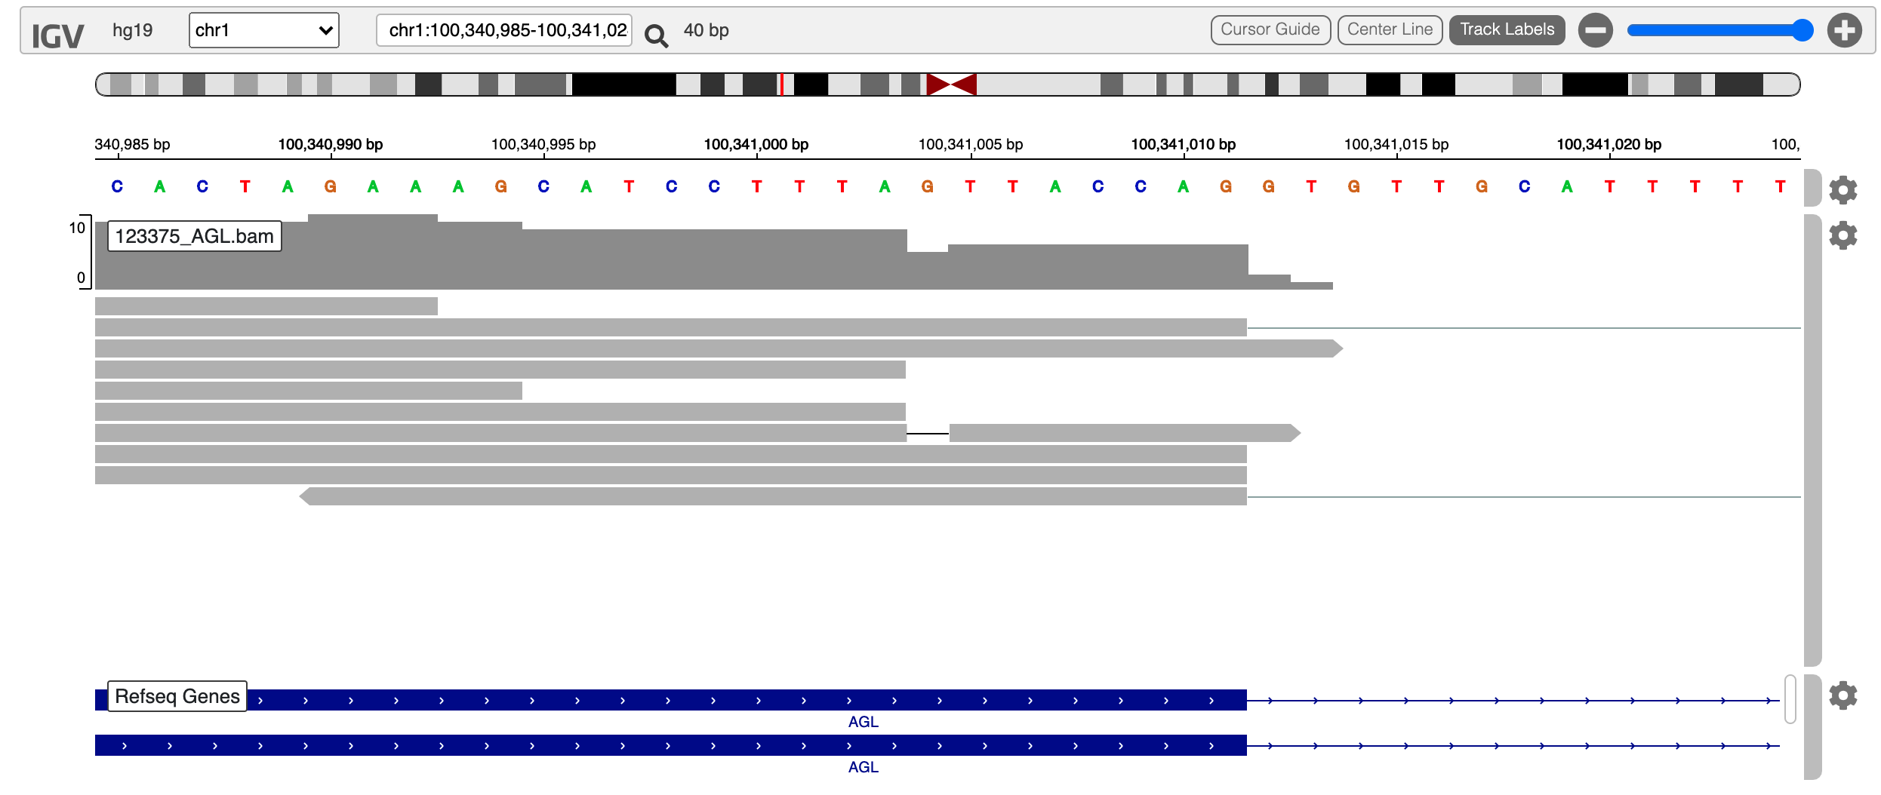
1 |  | 100343049 actually 100343050 | rs1360949070 | 0/1 |  | genic_upstream_transcript_variant,intron_variant,upstream_transcript_variant |  | -=0.000159/5 (GnomAD) |  | CATT | C
1 |  | 100343073 | rs2291637 | 0/1 |  | genic_upstream_transcript_variant,intron_variant,upstream_transcript_variant |  | A=0.489589/15331 (GnomAD) |  | T | A
1 |  | 100343153 | rs2291638 | 0/0 |  |  |  |  |  | A | G
1 |  | 100343778 | rs11166363 | 0/1 |  | intron_variant |  | A=0.478816/14963 (GnomAD) |  | A | G
1 |  | 100344312 | rs3753490 | 0/1 |  | intron_variant |  | G=0.136343/4267 (GnomAD) |  | T | G
1 |  | 100344394 | rs3753491 | 0/1 |  | intron_variant |  | A=0.378293/11833 (GnomAD) |  | G | A
1 |  | 100344919 | rs142035948 | 0/1 |  | intron_variant |  |  | / | TC | T
1 |  | 100345140 | rs199927371 | 0/1 |  | intron_variant | 0.1335 |  | / | C | CAATA
1 |  | 100345409 | rs2392077 | 0/1 |  | intron_variant |  | G=0.490222/15341 (GnomAD) | / | C | G
1 |  | 100346741 | rs3736296 | 0/1 |  | intron_variant |  | T=0.478251/14975 (GnomAD) | benign | T | C
1 |  | 100347463 | rs1389381 | 0/1 |  | intron_variant |  | A=0.134925/4194 (GnomAD) | benign | C | A
1 |  | 100347624 | rs11166366 | 0/1 |  | intron_variant |  | G=0.485259/60933 (TOPMED) | / | G | A
1 |  | 100347698 | rs200086775 | 0/1 |  | intron_variant |  | NO INFORMATION |  | AAAAAAAAAAAAAAG | A
1 |  | 100348583 | rs3820156 | 0/1 |  | intron_variant |  | A=0.478534/14981 (GnomAD) | / | A | G
1 |  | 100348655 | rs12038567 | 0/1 |  | intron_variant |  | C=0.478358/14964 (GnomAD) | / | C | A
1 |  | 100349381 | rs17409324 | 0/1 |  | intron_variant |  | C=0.377838/11815 (GnomAD) | benign | A | C
1 |  | 100350383 | rs2234707 | 0/1 |  | intron_variant |  | G=0.478262/14983 (GnomAD) | / | G | A
1 |  | 100350683 | rs11166367 | 0/1 |  | intron_variant |  | G=0.477915/14975 (GnomAD) | / | G | A
1 |  | 100351635 | rs6577142 | 0/1 |  | intron_variant |  | G=0.478806/15001 (GnomAD) | / | G | C
1 |  | 100351653 | rs6577143 | 0/1 |  | intron_variant |  | T=0.478584/14995 (GnomAD) | / | T | C
1 |  | 100351703 | rs6577144 | 0/1 |  | intron_variant |  | A=0.47821/14989 (GnomAD) | / | A | G
1 |  | 100351810 | rs148283925 | 0/0 |  |  |  | NO INFORMATION |  | T | C
1 |  | 100352043 actually 100352044 | rs11298471 | 0/1 |  | intron_variant |  | -=0.475/19 (GENOME_DK) | / | GA | G
1 |  | 100352470 | rs903125 | 0/1 |  | intron_variant |  | A=0.136497/4283 (GnomAD) | / | C | A
1 |  | 100352716 | rs10875274 | 0/1 |  | intron_variant |  | G=0.478223/14977 (GnomAD) | / | G | A
1 |  | 100352756 | rs486408 | "1/1" |  | intron_variant |  | A=0.315795/9897 (GnomAD) | / | A | G
1 |  | 100353019 | rs844323 | "1/1" |  | intron_variant |  | T=0.330981/10363 (GnomAD) | / | T | C
1 |  | 100353675 | rs555929 | "1/1" |  | intron_variant |  | G=0.33111/10373 (GnomAD) | benign | G | A
1 |  | 100354070 | rs55767225 | 0/0 |  | intron_variant |  | G=0.02007/630 (GnomAD) | / | A | G
1 |  | 100354634 | rs17121546 | 0/0 |  | intron_variant |  | G=0.022569/563 (GnomAD) | / | A | G
1 |  | 100354648 | rs72500351 | 0/1 |  | intron_variant | 0.5214 |  | / | C | CCA
1 |  | 100355264 | rs34764737 | 0/1 |  | intron_variant |  | T=0.063759/2001 (GnomAD) | / | C | T
1 |  | 100355560 | rs10747505 | 0/1 |  | intron_variant |  | A=0.490194/15346 (GnomAD) | / | G | A
1 |  | 100355899 | rs10783121 | 0/1 |  | intron_variant |  | C=0.499414/15347 (GnomAD) | / | C | T
1 |  | 100356018 | rs10783122 | 0/1 |  | intron_variant |  | A=0.478893/14884 (GnomAD) | / | A | G
1 |  | 100356096 | rs11581066 | 0/1 |  | intron_variant |  | T=0.135735/4242 (GnomAD) | / | A | T
1 |  | 100356197 | rs1181071975) | "2/2" |  | intron_variant | 0.1946 |  | / | GAAA | G,GAA
1 |  | 100356204 | rs114225570 | "1/1" |  | intron_variant |  | T=0.19425/4582 (GnomAD) | / | A | T
1 |  | 100356205 | rs151135031 | 0/0 |  | intron_variant |  |  | / | AAAT | A
1 |  | 100356206 | rs374795374 | "1/1" |  | intron_variant |  | T=0.16725/5042 (GnomAD) | / | A | T,*
1 |  | 100357041 | rs2035960 | 0/1 |  | intron_variant |  | A=0.479068/14991 (GnomAD) | / | A | G
1 |  | 100357141 | rs2035961 | 0/1 |  | intron_variant |  | A=0.489324/15309 (GnomAD) | benign | T | A
1 |  | 100358103 | rs3753494 | 0/1 | exon | missense_variant,coding_sequence_variant |  | T=0.136604/4282 (GnomAD) | benign,likely-benign | C | T
1 |  | 100358200 | rs594249 | "1/1" | intron |  |  | G=0.330643/10363 (GnomAD) | benign | G | A
1 |  | 100358386 | rs10628111 | 0/1 | intron |  |  |  | benign | A | ATTCTT
1 |  | 100358451 | rs515957 | "1/1" |  |  |  |  |  | G | A
1 |  | 100359202 | rs55878813 | 0/1 |  |  |  |  |  | G | A
1 |  | 100359212 | rs11166368 | 0/1 |  |  |  |  |  | T | A
1 |  | 100359333 | rs620281 | "1/1" |  |  |  |  |  | A | G
1 |  | 100359865 | rs10875275 | 0/1 |  |  |  |  |  | C | T
1 |  | 100360391 | rs11166369 | 0/1 |  |  |  |  |  | A | G
1 |  | 100362180 | rs4908034 | 0/1 |  |  |  |  |  | G | A
1 |  | 100362389 | rs371468614 | 0/1 |  |  |  |  |  | CAG | C
1 |  | 100362651 | rs138696042 | 0/0 |  |  |  |  |  | G | A
1 |  | 100363032 | rs17450126 | 0/1 |  |  |  |  |  | A | G
1 |  | 100363605 | rs67414771 | 0/1 |  |  |  |  |  | C | CT
1 |  | 100363703 | rs61811154 | 0/0 |  |  |  |  |  | T | C
1 |  | 100364201 | rs602700 | 0/1 |  |  |  |  |  | T | C
1 |  | 100364782 | rs17121580 | 0/0 |  |  |  |  |  | A | T
1 |  | 100365080 | rs10637207 | 0/0 |  |  |  |  |  | C | CTCTT
1 |  | 100365086 | rs201826940 | "2/3" |  |  |  |  |  | T | C,TTC,TTCTCTC
1 |  | 100365677 | rs11166370 | 0/0 |  | intron variant |  | G=0.474469/14700 (GnomAD) | / | C | G
1 |  | 100365797 | rs2769699 | 0/1 |  | intron variant |  | C=0.346061/10840 (GnomAD) | / | C | T
1 |  | 100365848 | rs17121583 | 0/0 |  | intron variant |  | C=0.017865/561 (GnomAD) | / | T | C
1 |  | 100365849 | rs12734255 | 0/1 |  | intron variant |  | A=0.013259/416 (GnomAD) | likely-benign | G | A
1 |  | 100366446 | rs35956186 | "1/1" |  | intron variant |  | delTT=0.3652 (2560/7009, ALFA Project) | / | GTT | G
1 |  | 100366938 | rs369491731 | "3/3" |  |  |  | NO INFORMATION |  | TAA | TA,TAAA.T
1 |  | 100367379 | rs2769698 | 0/0 |  | intron variant |  | C=0.492052/15354 (GnomAD) | / | T | C
1 |  | 100367386 | rs139393425 | 0/0 |  | intron variant |  | -=0.021362/669 (GnomAD) | / | ATATT | A
1 |  | 100368640 | rs17121609 | 0/0 |  | intron variant |  | G=0.403135/12627 (GnomAD) | benign | A | G
1 |  | 100368888 | rs74540181 | 0/1 |  | intron variant |  | A=0.137197/4280 (GnomAD) | / | G | A
1 |  | 100369065 | rs371231268 | 0/0 |  | intron_variant |  | C=0.020537/644 (GnomAD) | / | A | C
1 |  | 100369377 | rs700538 | 0/0 |  | intron_variant |  | C=0.478362/14945 (GnomAD) | / | T | C
1 |  | 100370486 | rs518500 | 0/1 |  | intron_variant |  | G=0.372733/11674 (GnomAD) | / | G | A
1 |  | 100370928 | rs150259594 | 0/1 |  | intron_variant |  |  | / | TTTGTTG | T
1 |  | 100371074 | rs545045 | 0/1 |  | intron_variant |  | G=0.371953/11657 (GnomAD) | / | G | T
1 |  | 100371612 | rs72725980 | 0/0 |  | intron_variant |  | G=0.017854/560 (GnomAD) | / | C | G
1 |  | 100372242 | rs11166371 | 0/0 |  | intron_variant |  | T=0.392381/12298 (GnomAD) | / | C | T
1 |  | 100372273 | rs66508666 | 0/1 |  | intron_variant |  | A=0.137163/4305 (GnomAD) | / | T | A
1 |  | 100373249 | rs71075465 | 0/2 |  | intron_variant |  |  | / | G | GTTTTTTTTTTTTTT,GTTTTTTTTGTTTTTTT
1 |  | 100373601 | rs1577541 | 0/0 |  | intron_variant |  | A=0.392501/12268 (GnomAD) | / | G | A
1 |  | 100373730 | rs57617390 | 0/1 |  | intron_variant |  | A=0.150491/4599 (GnomAD) | / | G | A
1 |  | 100373766 actually 100373766 | rs34057901 | 0/0 |  | intron_variant |  | -=0.486549/61095 (TOPMED) | / | TT | T
1 |  | 100374464 | rs6577146 | 0/1 |  | intron_variant |  | G=0.371525/11599 (GnomAD) | / | G | A
1 |  | 100374930 | rs12754517 | 0/0 |  | intron_variant |  | A=0.391614/12198 (GnomAD) | / | G | A
1 |  | 100375209 | rs7552875 | 0/1 |  | intron_variant |  | T=0.350551/10377 (GnomAD) | / | T | A
1 |  | 100375228 | rs56371251 | 0/0 |  | intron_variant |  | A=0.389104/11635 (GnomAD) | / | C | A
1 |  | 100375347 | rs12039074 | 0/0 |  | intron_variant |  | G=0.40332/12586 (GnomAD) | / | A | G
1 |  | 100375407 | rs67893284 | 0/1 |  | intron_variant |  | G=0.136684/4264 (GnomAD) | / | A | G
1 |  | 100375580 | rs12039154 | 0/0 |  | intron_variant |  | G=0.379559/11884 (GnomAD) | / | A | G
1 |  | 100376448 | rs2274570 | 0/0 |  | intron_variant |  | A=0.4757/14780 (GnomAD) | benign | G | A
1 |  | 100376456 | rs1541041 | 0/0 |  | intron_variant |  | A=0.475346/14788 (GnomAD) | / | T | A
1 |  | 100376943 actually 100376944 | rs34936033 | 0/1 |  | intron_variant |  | -=0.142415/4463 (GnomAD) | / | AT | -
1 |  | 100377789 | rs3818568 | 0/1 |  | intron_variant |  | T=0.137046/4289 (GnomAD) | benign | C | T
1 |  | 100378367 | rs6692695 | 0/0 |  | intron_variant |  | T=0.393327/12330 (GnomAD) | / | A | T
1 |  | 100378651 | rs6577147 | 0/1 |  | intron_variant |  | T=0.345292/10789 (GnomAD) | / | T | C
1 |  | 100378776 | rs1170938259) | 0/0 |  | intron_variant | 0.004458 |  |  | T | TA
1 |  | 100379686 | rs10783123 | "1/1" |  | intron_variant |  | -=0.000032/1 (GnomAD) | / | G | A
1 |  | 100379818 | rs17450460 | 0/1 |  | intron_variant |  | G=0.008469/266 (GnomAD) | / | A | G
1 |  | 100380037 | rs3766599 | 0/0 |  | intron_variant |  | G=0.385383/1930 (1000Genomes) | / | A | G
1 |  | 100380251 | rs3820157 | 0/0 |  | intron_variant |  | A=0.380193/11916 (GnomAD) | / | T | A
1 |  | 100380621 | rs7554622 | 0/1 |  | intron_variant |  | only T>C was reported |  | T | A
1 |  | 100381109 | rs112476688 | 0/0 |  |  |  |  |  | A | AT
1 |  | 100381304 | rs7555316 | 0/0 |  | intron_variant |  | C=0.381517/11898 (GnomAD) |  | T | C
1 |  | 100381869 | rs2296885 | 0/0 |  | intron_variant |  | A=0.393362/12291 (GnomAD) |  | G | A
1 |  | 100382594 | rs138023651 | 0/0 |  | intron_variant |  | G=0.015235/478 (GnomAD) |  | A | G
1 |  | 100383005 | rs6577148 | 0/0 |  | intron_variant |  | C=0.39285/12297 (GnomAD) |  | T | C
1 |  | 100383017 | rs6577149 | 0/0 |  | intron_variant |  | G=0.392693/12296 (GnomAD) |  | A | G
1 |  | 100383063 | rs55814920 | 0/1 |  | intron_variant |  | A=0.136879/4295 (GnomAD) |  | G | A
1 |  | 100384402 | rs7519706 | 0/0 |  | intron_variant |  | G=0.396936/12436 (GnomAD) |  | A | G
1 |  | 100384544 | rs12045983 | 0/1 |  | intron_variant |  | T=0.143094/4486 (GnomAD) |  | G | T
1 |  | 100385309 | rs11166375 | 0/0 |  | intron_variant |  | C=0.386141/12087 (GnomAD) |  | T | C
1 |  | 100385761 | rs72725989 | 0/1 |  | intron_variant |  | C=0.069349/2177 (GnomAD) |  | T | C
1 |  | 100387479 | rs1804808 | 0/0 | exon | 3_prime_UTR_variant |  | T=0.332809/10361 (GnomAD) |  | G | T
1 |  | 100387939 | rs3766600 | 0/1 | exon | 3_prime_UTR_variant |  | C=0.36765/11492 (GnomAD) | benign | C | T
1 |  | 100388235 | rs3766601 | 0/0 | exon | 3_prime_UTR_variant |  | T=0.486865/15197 (GnomAD) |  | C | T
1 |  | 100388503 | rs1804809 | 0/0 | exon | 3_prime_UTR_variant |  | C=0.383705/12000 (GnomAD) |  | A | C
1 |  | 100388566 | rs919030085 | 0/0 | exon | 3_prime_UTR_variant | 0.00009561 | G=0.000096/3 (GnomAD |  | A | G
1 |  | 100388748 | rs3766603 | 0/0 | exon | 3_prime_UTR_variant |  | C=0.407257/12739 (GnomAD) |  | T | C

